Sheet1
FUJITSU JEPANG

FUJITSU SINGAPURA
FUJITSU INDONESIA
FUJITSU THAILAND
---

CEO

HRD
IT SUPPORT
AS TEAM
SALES TEAM

MANAJER

DT 1

DT 2

DT 3

Team Leader

Business Analis

Database Analis

Programmer

QA

Sheet2
CLIENT |  |  |  | FUJITSU INDONESIA
USER |  | IT SUPPORT |  |  | TEAM LEADER | ANGGOTA TEAM


INCIDENT

ANALYZING ROOT CAUSE
 | CMO
INCIDENT

SOLUTION


REPRODUCE INCIDENT

FIXING

TESTING
 | ACCOUNTING | IT SUPPORT

INCIDENT
DEPLOY
 |  |  | EMAIL / TELEPHONE | INCIDENT LIST DOCUMENT

CLOSING

 | COLLECTION

Sheet5
Add New User
Edit
Delete
User List
ID | Name | Email | Contact No | Position
1 | Suwandi | suwandi@fujitsu.com | 9701230 | Manager
Edit
Delete
2 | Faisal Amir | faisal@fujitsu.com | 8230982 | Team Leader
Edit
Delete
 | ------- | ------- | ------- | -------
Edit
Delete
 | ------- | ------- | ------- | -------
Edit
Delete
 | ------- | ------- | ------- | -------
 | ------- | ------- | ------- | -------

x
 | Add New User
 | Name

 | Email

 | Contact No

 | Position

Save

 | Edit User
 | Name | Suwandi

 | Email | suwandi@fujitsu.com

 | Contact No | 9701230

 | Position | Manager

Save

x
 | Edit Incident
 | Raise Date | ---------------------

 | Priority | ---------------------

 | Issue Descriptions | --------------------- --------------------- --------------------- ---------------------

 | Module | ---------------------

 | Sub Module | ---------------------

 | PIC Analyzing | ---------------------

 | PIC Fixing | ---------------------

 | PIC Testing | ---------------------
Save

x
 | Incident Analyzing
 | Issue Descriptions | --------------------- --------------------- --------------------- ---------------------

 | Category Group | ---------------------

 | Category Root Cause | ---------------------

 | Suspected Reason | --------------------- --------------------- --------------------- ---------------------

 | Respon Taken | --------------------- --------------------- --------------------- ---------------------

 | Solution | --------------------- --------------------- --------------------- ---------------------

Save

x

Sheet6
Add New Incident
Edit
Delete
Incident List
ID | Raise Date | Priority & Module | Issue Descriptiont | PIC
1 | 2017-07-04 | Priority : High | 1). Pretermination overdue days in printform is not correct. 2). Customer already paid for his 90 days overdue and remaining 25 days overdue (until 21 August 2015). 3). Pretermination printform shown that this customer has 115 days overdue (90+25) but the penalty amount is correct. | Analyzing : Nurochim
 |  | Module : Report |  | Fixing : Nurochim
 |  | Sub Module : Finance Report |  | Testing : Aulia
Edit
Delete
2 | 2017-07-11 | Priority : Medium | 1). This customer have advance that fit for 1 installment payment. 2). Due date of this contract is 01 August 2015. 3). Fintegrity do the automated allocation for August Installment on 2 August 2015 ~ that's why this contract have 1 days overdue. 4). MF record that this customer have paid the same time with due date 01 August 2015. 5). Automatic allocation should be on 1st day of each month | Analyzing : Aulia
 |  | Module : CDB |  | Fixing : Nurochim
 |  | Sub Module : Other |  | Testing : Aulia
 | ------- | ------- | ------- | -------
 | ------- | ------- | ------- | -------
 | ------- | ------- | ------- | -------

Sheet6 (2)
Edit
Incident List Analyzing
ID | Raise Date | Priority & Module | Issue Descriptiont
1 | 2017-07-04 | Priority : Medium Module : CDB Sub Module : Other Category Group : System Issue Root Cause : Business Case | Issue Descriptions : 1). This customer have advance that fit for 1 installment payment. 2). Due date of this contract is 01 August 2015. 3). Fintegrity do the automated allocation for August Installment on 2 August 2015 ~ that's why this contract have 1 days overdue. 4). MF record that this customer have paid the same time with due date 01 August 2015. 5). Automatic allocation should be on 1st day of each month Suspected Reason : User Input not match wit SOP Respon Taken : Prevent Code with More Validation Decided solution : Prevent Code with More Validation

Edit
2 | 2017-07-11 | Priority : Critical Module : General Ledger Sub Module : Payment Category Group : Root Cause : | Issue Descriptions : Sorting on Cash Payment Task has changed. Usually system shows sorting on Cash Transaction ID. Suspected Reason : Respon Taken : Decided solution :

 | ------- | ------- | -------
 | ------- | ------- | -------
 | ------- | ------- | -------

Sheet8
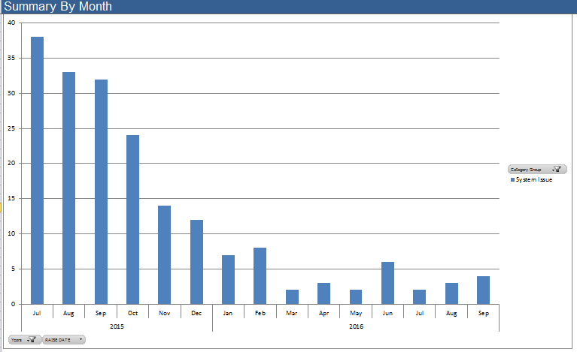
Incident Monitoring

Sheet9
Admin | Insiden | Analyzing | Closing

User
Insiden
Analyzing
Fixing
Closing

Create New Incident

Analyzing Incident

Fixing Incident

Closing Incident

